Axial Force Diagram
Cable
 |  | Cable Design Tension (MT) (kip) |  |  |  | Cable Parameter
Cable # | Length (ft) | DL | LL(MAX) | LL(MIN) | Total Tension | # of Strands | Cable Diameter(ft)
1 | 603 | 155 | 125.58 | 28.08 | 865.1 | 37
2 | 567 | 207 | 134.94 | 37.44 | 1249.0 | 37
3 | 532 | 207 | 134.94 | 37.44 | 1249.0 | 37
4 | 497 | 207 | 134.94 | 37.44 | 1249.0 | 37
5 | 461 | 207 | 134.94 | 37.44 | 1249.0 | 37
6 | 426 | 207 | 134.94 | 37.44 | 1249.0 | 37
7 | 391 | 207 | 134.94 | 37.44 | 1249.0 | 37
8 | 356 | 207 | 134.94 | 37.44 | 1249.0 | 37
9 | 320 | 207 | 134.94 | 37.44 | 1249.0 | 37
10 | 285 | 207 | 134.94 | 37.44 | 1249.0 | 37
11 | 250 | 207 | 134.94 | 37.44 | 1249.0 | 37
12 | 214 | 207 | 134.94 | 37.44 | 1249.0 | 37
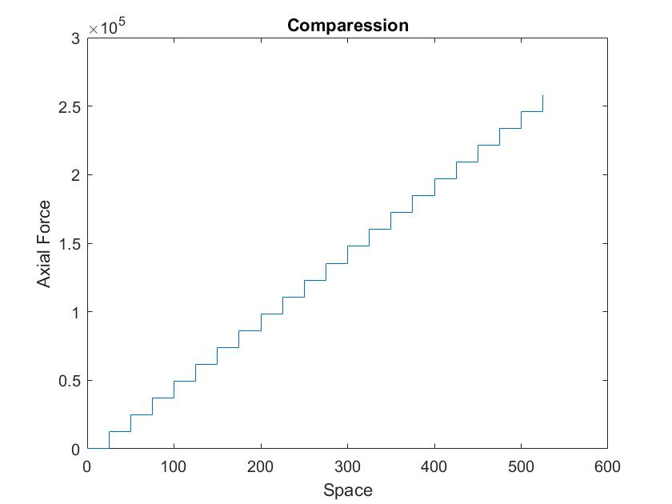
13 | 179 | 207 | 134.94 | 37.44 | 1249.0 | 37
14 | 144 | 207 | 134.94 | 37.44 | 1249.0 | 37
15 | 108 | 207 | 134.94 | 37.44 | 1249.0 | 37
16 | 73 | 207 | 134.94 | 37.44 | 1249.0 | 37
17 | 38 | 207 | 134.94 | 37.44 | 1249.0 | 37

Axial Force in Deck
Section # | x from left end (ft) | Cable Tension (kip) | Axial Compression (kip)
1 | 15 | 865 | 1607
2 | 45 | 829 | 3146
3 | 75 | 829 | 3916
4 | 105 | 829 | 4685
5 | 135 | 829 | 5455
6 | 165 | 829 | 6225
7 | 195 | 829 | 6994
8 | 225 | 829 | 7764
9 | 255 | 829 | 8534
10 | 285 | 829 | 9303
11 | 315 | 829 | 10073
12 | 345 | 829 | 10843
13 | 375 | 829 | 11612
14 | 405 | 829 | 12382
15 | 435 | 829 | 13152
16 | 465 | 829 | 13921
17 | 495 | 829 | 14691
 |  | * Add tandom load at first cable

Data to Plot Axial Compression
X | Y
15 | 1607
45 | 1607
45 | 3146
75 | 3146
75 | 3916
105 | 3916
105 | 4685
135 | 4685
135 | 5455
165 | 5455
165 | 6225
195 | 6225
195 | 6994
225 | 6994
225 | 7764
255 | 7764
255 | 8534
285 | 8534
285 | 9303
315 | 9303
315 | 10073
345 | 10073
345 | 10843
375 | 10843
375 | 11612
405 | 11612
405 | 12382
435 | 12382
435 | 13152
465 | 13152
465 | 13921
495 | 13921
495 | 14691
525 | 14691
x vs. Axial Compression (kip)

